SoW Introduction
 | 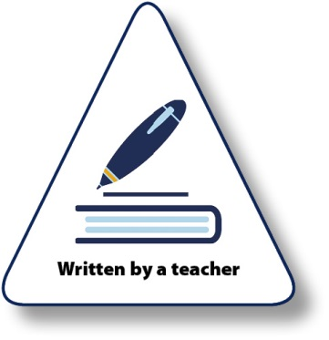

Support material for scheme of work planning

This support material is designed to accompany the OCR J277 GCSE (9-1) Computer Science specification.
The Planning Guidance table on the following pages sets out suggested teaching times for the topics within the specification. Note that we always recommend that individual centres plan their schemes of work according to their individual needs. Actual teaching times for topics will depend on various factors including: i) the amount of practical work done within each topic; ii) the emphasis placed on development of practical skills in various areas; iii) the use of contexts, case studies and other work to support depth of understanding and application of knowledge and understanding; iv) the level of prior knowledge and understanding that learners bring to the course.
The table follows the order of the topics in the specification. It is not implied or necessarily recommended that centres teach the specification topics in the order shown here.
Resourcing your scheme of work
The column ‘Resource links’ refers to individual materials available from the Computer Science GCSE J277 Level qualification page. These materials provide further guidance and suggestions for teaching of individual topics, including links to a range of activities that may be used and guidance on resolving common misconceptions. Please note that resource links will be updated within this Scheme of Work as appropriate. This may be due to release of new resources, or reviews of current documents. Please check you are using the latest version of this document to ensure you have up-to-date links.

Practical work
A significant range of topics can be taught through practical activities, for instance, Searching and Sorting Algorithms and the programming techniques. We highly recommend delivery of practical work to support the theory aspects of the course. There are also many ways you can deliver these 'unplugged' (i.e. without using computers) which can provide a more engaging style of delivery.
Suggestions for suitable practical work are included throughout the table. This is by no means an exhaustive list of potential practical activities.

Endorsed Materials
Further teaching support can be gained from the wide range of OCR Endorsed materials. There is a list of these materials/books etc. at the bottom of the Subject Page.
There are further materials available which are not endorsed which may also provide suitable reference and guidance on topics. We would recommend that centres encourage candidates to use a wide range of resources when studying the topics listed.



Whether you already offer OCR qualifications, are new to OCR, or are considering switching from your current provider/awarding organisation, you can request more information by completing the Expression of Interest form which can be found here: www.ocr.org.uk/expression-of-interest
Looking for a resource? There is now a quick and easy search tool to help find free resources for your qualification: www.ocr.org.uk/i-want-to/find-resources/

OCR Resources: the small print OCR’s resources are provided to support the delivery of OCR qualifications, but in no way constitute an endorsed teaching method that is required by the Board, and the decision to use them lies with the individual teacher. Whilst every effort is made to ensure the accuracy of the content, OCR cannot be held responsible for any errors or omissions within these resources.
Our documents are updated over time. Whilst every effort is made to check all documents, there may be contradictions between published support and the specification, therefore please use the information on the latest specification at all times. Where changes are made to specifications these will be indicated within the document, there will be a new version number indicated, and a summary of the changes. If you do notice a discrepancy between the specification and a resource please contact us at:
resources.feedback@ocr.org.uk.
© OCR 2020 - This resource may be freely copied and distributed, as long as the OCR logo and this message remain intact and OCR is acknowledged as the originator of this work. OCR acknowledges the use of the following content: n/a
Please get in touch if you want to discuss the accessibility of resources we offer to support delivery of our qualifications: resources.feedback@ocr.org.uk

